Hiearchy View
CLASS: ENCODER DECODER
hardware tool that interprets information and converts it into a code, while also possessing the ability to convert that code back to its original source. |  | 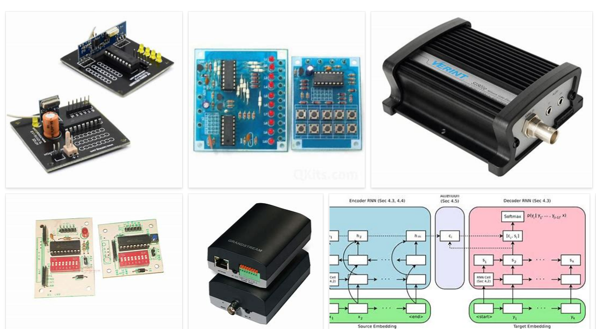
REMOVE | N

PROBLEM_DESC | CAUSE_DESC | REMEDY_DESC
ALARM/SENSOR
BROKEN/DAMAGED
OTHER PROBLEM
OVERHEATING
POWER-ELEC
STOPPED/SLOWED/POOR OPS
TEMP-CTRL
VIBRATION
Grand Total

